Randomization Code
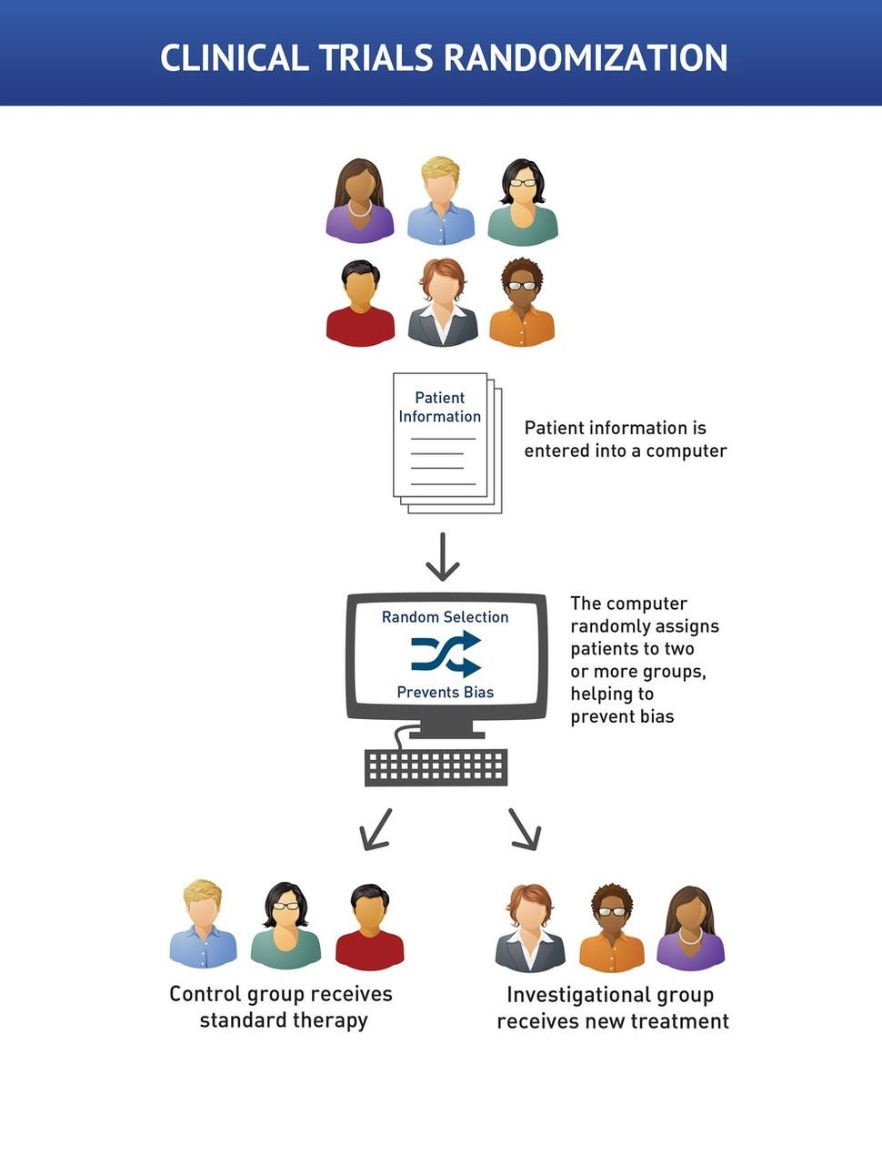

Randomization

 | Test Model

